TestNg
Topic | TestNg
Planned Date | 17/03/2025
No of days | 1
Status
 |  | 1 | What is TestNg | Completed
 |  | 2 | Advanatges | Completed | Assertions, Annotations, Reporting, Parellel execution, Easy to integrate , dependency, priority, grouping , data driven etc. The testng.xml file is used for configuring the whole test suite. In the testng.xml file, we can create a test suite, create test groups, mark tests for parallel execution, add listeners, and pass parameters to test scripts. We can also use this testng.xml file for triggering the test suite from the command prompt/terminal or Jenkins.
 |  | 3 | TestNg Attributes |  | @Test(attribute="value") public void testcase2() { System.out.println("This is testcase2"); }
 |  | 4 | TestNg Annotations | Completed | Before Suite, Before test, Before Class, Before method,@Test, After Suite, After test, After Class, After method.
 |  | 5 | TestNg Assertions |  | Types of Assertions in TestNG There are two main types of assertions in TestNG: Hard Assertions and Soft Assertions. Hard Assertions : Hard assertions immediately halt the test execution if an assertion fails. This is useful when the subsequent steps depend on the success of the current step. For example, if a login validation fails, there is no point in proceeding with further tests. Soft Assertions : Soft assertions allow the test to continue even if an assertion fails. This is useful when you want to perform multiple validations and gather all the failures at the end of the test. Assert.assertEquals(actual, expected): Asserts that two values are equal. Assert.assertTrue(condition): Asserts that a condition is true. Assert.assertFalse(condition): Asserts that a condition is false. Assert.assertNotNull(object): Asserts that an object is not null. Assert.assertSame(Object actual, Object expected): Asserts that a condition is false. Assert.assertNotSame(Object actual, Object expected): Asserts that an object is not null. Assert.assertNull(object): Asserts that an object is null.
 |  | 8 | How to ignore / exclude |  | @Test( enabled=false ) public void someTest() { //test code } @Test(enabled = false) public class IgnoreTestDemo { @Test public void someTest() { //test code }} <test name="App Tests"> <groups> <run> <exclude name="broken"/> </run> </groups> </test>
 |  | 9 | Execution Order |  | Default priority is 0 and if priority is same execution will go based on method name's Alphabet order public class ClassB { @Test(priority = 1) public void testB1() {System.out.println("ClassB - Test B1"); } @Test(priority = 2) public void testB2() {System.out.println("ClassB - Test B2"); } @Test(priority = 3) public void testB3() { System.out.println("ClassB - Test B3"); }}
 |  | 10 | enable | Completed | @Test (enable = false) public void m1() { method body; } @Test (groups={"sanity"},enabled = false) public void m1() {method body;}
 |  | 11 | verbose | Completed | The verbose attribute allows you to adjust the verbosity level of TestNG's console output, providing more or less detailed information about the test execution. Range: 0 to 10 , default is 0 Example: <suite name="MySuite" verbose="5"> Debug Mode: Specifying a value of -1 for the verbose attribute puts TestNG in debug mode, providing even more detailed information, including stack traces.
 |  | 12 | depends | Completed | public class Dependent { @Test (dependsOnMethods = { "OpenBrowser" }) public void SignIn() { System.out.println("This will execute second (SignIn)"); } @Test public void OpenBrowser() { System.out.println("This will execute first (Open Browser)"); }} ============== ======================== public class GroupDependency { @Test(dependsOnGroups = { "SignIn" }) public void ViewAcc() { System.out.println("SignIn Successful"); } @Test(groups = { "SignIn" }) public void LogIn() { System.out.println("Logging In Success"); } }
 |  | 14 | invocation count |  | the invocationCount attribute allows you to run a test method multiple times. This can be useful for scenarios where you need to test the same functionality repeatedly to ensure consistency or to simulate load. public class NewTestngClass { @Test(invocationCount = 10) public void testcase1(ITestContext testContext){ System.out.println("Running testcase 1"); int currentCount = testContext.getAllTestMethods()[0].getCurrentInvocationCount(); System.out.println("Executing count: " + currentCount); }
 |  | 15 | threadPoolSize |  | import org.testng.Assert; import org.testng.annotations.Test; public class CodekruTest { @Test(invocationCount = 5, threadPoolSize = 5) public void testMethod() { int expected = 5; int actual = 5; Assert.assertEquals(actual, expected);}
 |  | 17 | timeOut attribute |  | If the test method takes longer than 5000 milliseconds (5 seconds), TestNG will automatically terminate the test and mark it as failed with a ThreadTimeoutException. @Test(timeOut = 5000) public void myTest() { // Test code here }
 |  | 18 | skip testcase conditionally |  | public class SkipTestExample { @Test(enabled = false) public void skippedTest() { System.out.println("This test will be skipped."); } @Test public void executedTest() { System.out.println("This test will be executed."); }}
 |  | 19 | always Run |  | public class AlwaysRunDemo1 { @Test public void method1() { System.out.println("Method 1"); // Failing test explicitly Assert.fail();} // alwaysRun attribute will override dependsOnMethods if dependent method is failed or skipped @Test(dependsOnMethods = "method1", alwaysRun=true) public void method2() { System.out.println("Method 2");} // alwaysRun attribute will override dependsOnMethods if dependent method is failed or skipped @Test(dependsOnMethods = "method2", alwaysRun=true) public void method3() { System.out.println("Method 3"); }}
 |  | 20 | dataProvider
 |  | 21 | iTest listener
 |  | 22 | retry
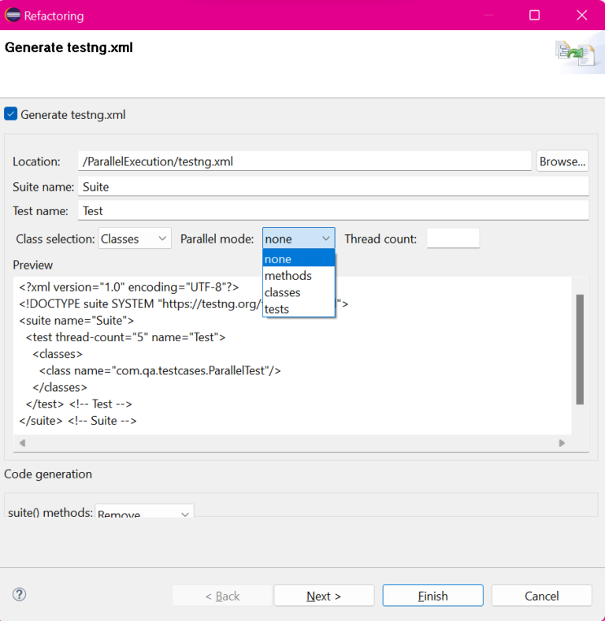
 |  | 23 | atFactory
 |  | 24 | Run Parell |  | Parallel Execution of Test Methods Parallel Execution of Test Classes and Parallel Execution of Test Suites Step 1 To create a testing.xml file, right click on the ParallelTest class and select TestNG >> Convert To TestNG. Step 2 You may select Parallel mode and ThreadCount value of your choice while creating the testing.xml file or you may update it later as per the requirement change. I have selected Parallel mode as methods and ThreadCount as 2. Step 3 Right click on the testing.xml file and select “Run As” -> “TestNG Suite”. Observe the time taken to execute both the methods in parallel mode(10204 ms, decreased the execution timeby 8282 ms).
 |  |  | exclude |  | particular test method from getting executed. <suite name="Test Suite" verbose="1"> <test name="TestName"> <classes> <class name="TestClassName"> <methods> <exclude name="testMethodToBeExcluded"/> </methods> </class> </classes> </test> </suite>
 |  |  | Will RUN only once |  | @Test – @Test annotation marks a method as a Test method. @BeforeSuite – The annotated method will run only once before all tests in this suite have run. @AfterSuite – The annotated method will run only once after all tests in this suite have run. @BeforeClass – The annotated method will run only once before the first test method in the current class is invoked. @AfterClass – The annotated method will run only once after all the test methods in the current class have been run.
 |  |  | @Test(expectedExceptions = { IOException.class }) |  | public class ExceptionTestDemo { @Test(expectedExceptions = { IOException.class }) public void exceptionTestOne() throws Exception { throw new IOException(); } @Test(expectedExceptions = { IOException.class, NullPointerException.class }) public void exceptionTestTwo() throws Exception { throw new Exception(); } }

